Message
PLEASE NOTE:
If you do not enable macros, this spreadsheet will not function properly!
 | 2007 Excel Users - The Security Warning in the ribbon above the active window says that "Macros have been disabled." Click the "Options..." button. A MicroSoft Security Alert window will open. Select "Enable this content" and your spreadsheet will function with macros enabled.
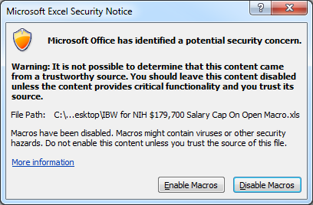
 | 2010 Excel Users – Click Enable Macros

READ THESE INSTRUCTIONS BEFORE ENTERING DATA INTO THIS SPREADSHEET!!!

 | It is strongly recommended that you print these instructions for future reference.
SPECIAL INSTRUCTIONS for use of the
"IBW" INTERNAL BUDGET WORKSHEET
Complete instructions for preparing each spreadsheet can be found on the Pre-Award Services website at: http://hsc.unm.edu/financialservices/preaward/common/docs/guidance-docs/ibw-instruction-guide.pdf.
Begin by filling in the spreadsheet for "Salary Detail". Continue filling out as many of the other spreadsheets as applicable to the project in accordance with the "Worksheet Instruction Guide," until the user opens the "Budget Summary" spreadsheet.
Please note that the "Salary Detail" contains options for classifying the propsed activity by type and location. Be sure to specify whether a project is being conducted "on" or "off" campus, and whether the activity is research, non-research or funded by the Department of Defense, as F&A rates for these activities are calculated based on your response(s). Alternative F&A rates should be entered in the cell designated for "Non-Competing Cont. or Other Rate".
The "Salary Detail" spreadsheet contains fringe benefit categories to identify all salary types: "F" for faculty; "A" for all "secretarial/clerical" staff; "L" for technicians; "T" for temporary employees; and "O" for other professionals. A column for retired UNM employees, who have a separate fringe benefit rate, is to the right of the fringe benefit column. Since the fringe benefit percentage is much lower for retirees than for full-time UNM employees, be sure to place an "R" in the "UNM Retiree" column after designating their fringe benefit type.

